Sheet1
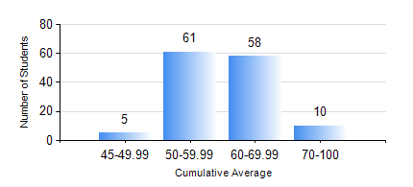
 |  |  | KWAME NKRUMAH UNIVERSITY OF SCIENCE AND TECHNOLOGY, KUMASI Department of Agricultural and Biosystems Engineering

 |  |  | BSC. AGRICULTURAL ENG.

 |  |  | COMPREHENSIVE RECORD OF EXAMINATION RESULTS

 |  |  | RESULTS OF YEAR 4 FIRST SEMESTER, 2021/2022 ACADEMIC YEAR

 | Sn | Course Code |  | Course Name | Credit Hours | Min. Mark | Max. Mark | Avg. Mark | Std. Dev. | No. Passed | No. Trailed | No. (Df) | No. (I) | No. (I*) | No. Tagged(I,I*,Df) | Total
 | 1. | AE 451 |  | IRRIGATION AND DRAINAGE | 3 | 44 | 90 | 67 | 10.88 | 134 | 0 | 0 | 0 | 0 | 0 | 134
 | 2. | AE 453 |  | ENVIRONMENTAL CONTROL AND LIVESTOCK HOUSING | 2 | 22 | 92 | 62 | 15.19 | 130 | 4 | 0 | 0 | 0 | 0 | 134
 | 3. | AE 457 |  | CROP PROCESSING | 2 | 40 | 82 | 62 | 7.16 | 134 | 0 | 0 | 0 | 0 | 0 | 134
 | 4. | AE 459 |  | ADVANCED FARM POWER AND MACHINERY | 3 | 20 | 89 | 59 | 15.02 | 129 | 5 | 0 | 0 | 0 | 0 | 134
 | 5. | AE 471 |  | FARM STRUCTURES | 3 | 40 | 88 | 65 | 13.1 | 134 | 0 | 0 | 0 | 0 | 0 | 134
 | 6. | AE 497 |  | PROJECT I | 1 | 56 | 87 | 72 | 6.63 | 134 | 0 | 0 | 0 | 0 | 0 | 134
 | 7. | AE 499 |  | VACATION TRAINING | 2 | 59 | 94 | 78 | 8.59 | 133 | 0 | 1 | 0 | 0 | 1 | 134
 | 8. | ME 491 |  | ENGINEERING ECONOMICS AND MANAGEMENT | 3 | 40 | 80 | 60 | 9.51 | 134 | 0 | 0 | 0 | 0 | 0 | 134

